Second Part Bug Reporting
ID | Title | Reproducible Steps | Attachments | Affected Devices | Network | Severity | Priority | Impact
1 | The [SYNCHRONIZATION] section title in the right hand side menu bar is changeable through pasting. | 1) Copy any random text. 2) Open [Monefy]. 3) Open the right hand side sidebar. 4) Open the [Settings] section. 5) Long-press on the [SYNCHRONIZATION] section till the past popup appears. 6) Past the text from the clipboard. | 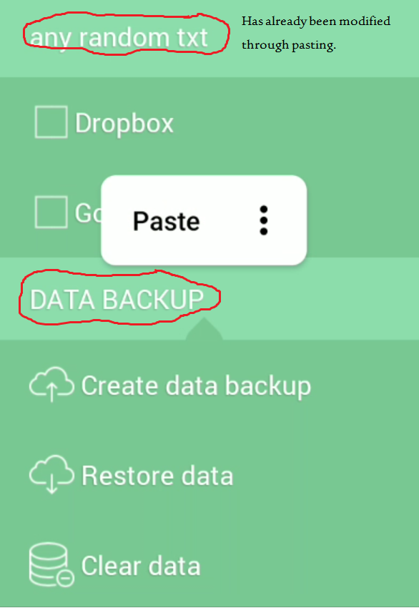 | Nokia 7 plus (Android 10) | Both | Moderate | 3rd | Leads to distorting the GUI of the app.
2 | The [DATA BACKUP] section title in the right hand side menu bar is changeable through pasting. | 1) Copy any random text. 2) Open [Monefy]. 3) Open the right hand side sidebar. 4) Open the [Settings] section. 5) Long-press on the [DATA BACKUP] section till the past popup appears. 6) Past the text from the clipboard. | https://drive.google.com/open?id=1Gf_5QusVuY_C7qUvZkWgigVrfq6IUQtF | Nokia 7 plus (Android 10) | Both | Moderate | 3rd | Leads to distorting the GUI of the app.
3 | Normal users (unsubscribed) can use the widget (while it's listed in the premium features). | 1) Long press on the application icon. 2) Choose from [Monefy] widgets. 3) Drag & drop the widget style you want. | https://drive.google.com/open?id=1BRFH3W-LEBjHrk9WZRVFariAeDgAohBK | Nokia 7 plus (Android 10) | Both | Major | 2nd | Normal users benefits from a premium feature.
4 | The money transfer records of a deleted accounts remains (does not get deleted when the account it's related to gets deleted). | 1) Open the [Monefy] app. 2) Click on the transfer button ( 2 arrows in diffrent direction logo). 3) Transfare a postive amout of money from one account to another. 4) Delete either the sender or the receiver account. 5) Open the balance of the account that was not deleted. 6) The money transfer from/to the deleted account remains keeping the record referring to an account which does not exist | https://drive.google.com/open?id=1D1ms4simOeeyAzXgg-r0uOnyIeLpQWHH | Nokia 7 plus (Android 10) | Both | Major | 2nd | Transfer records pointing at accounts that does not exits.
5 | Creating 2 accounts with the same name (& other details). | 1) Open the [Monefy] app. 2) Create an account with name [ABC], with certain details. 3) Create another account with name [ABC], and with the same details. | https://drive.google.com/open?id=1CjVRIIFLR3zZGHxHYffM6Jx18DQJEjCK | Nokia 7 plus (Android 10) | Both | Minor | 4th | Leads to bad user experience.
6 | The user can delete all categories except the last one (& the last category could even be disabled) | 1) Open the application. 2) Delete all the categories except the last one. 3) Disable the last category left. 4) Try to add a record. * Either the user will have to create a new category (which is only for premium users) or he'll re-enable the last category making all his records in one category, the thing that destroys the idea the app was built. |  | Nokia 7 plus (Android 10) | Both | Moderate | 3rd | All the records will be added to the same cateogory (if the last category is not disabled) he won't either be able to create new categories
7 | The dates ranges from the oldest transaction even if the transaction is assigned to another account (One account takes the time interval of another, the wide interval overwrites the narrower one). | 1) Open the application. 2) Choose a certain account say [A]. 3) Add a record (income/expense) for account [A] that makes it from a date's perspective a boundry record (the oldest record in this account). - The time interval shown in this account should now be streached for account [A]. 4) Choose another account say account [B], with time interval narrower. * The case is that account [B] will take the time interval of account [A], despite the fact that account [B]'s transcations does not extent to this interval. | https://drive.google.com/open?id=1wlbENLWHwcyhv4WZpoBYs4p0M6-gBcad | Nokia 7 plus (Android 10) | Both | Minor | 4th | False time interval appears for some of the accounts.
8 | Future recurring records is checkable. | 1) Open the application. 2) Open the right hand side side-bar. 3) Open the settings. 4) Check future recurring records. | https://drive.google.com/open?id=1ClNMRJLkpTAXm6uy6RS1dEOCM-dLjtp2 | Nokia 7 plus (Android 10) | Both | Major | 4th | Makes it not clear for the user, Will this feature work or not?
9 | Editing a boundary transaction date does not get updated unless the user close the app. | 1) Open the application. 2) Choose an account. 3) Change the date of one of the boundary records. 4) The date interval shown for this account should now be updated. * The date interval does not get updated unless the application is closed. | https://drive.google.com/open?id=1CVO6RoLCSX_du_5lnEyAVFcB-dr7AvKN |  | Both | Moderate | 3rd | Changes did not get updated quickly.
 | Enhancements
1 | [Monefy] logo in the Title bar should be centered. |  |  | Nokia 7 plus (Android 10) | Both | Minor | 4th
 | pro items in the side menu should have a pro logo. | 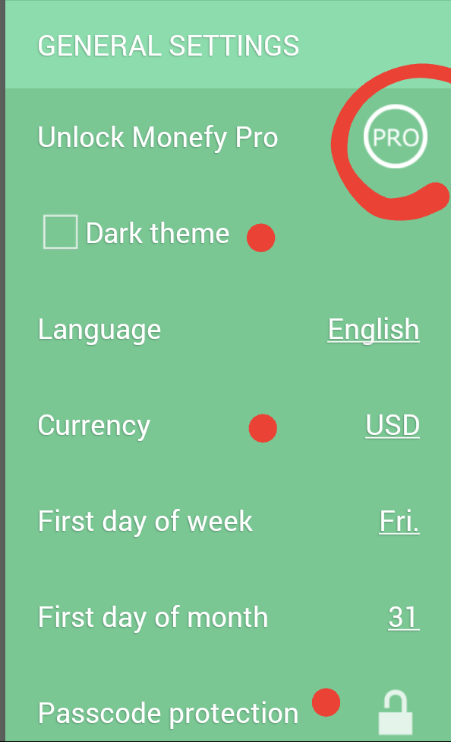 |  | Nokia 7 plus (Android 10) | Both | Moderate | 3rd
 | It's not easy for the user to recognize the what the 3rd no. (Carry Over) in the circle resembles. | 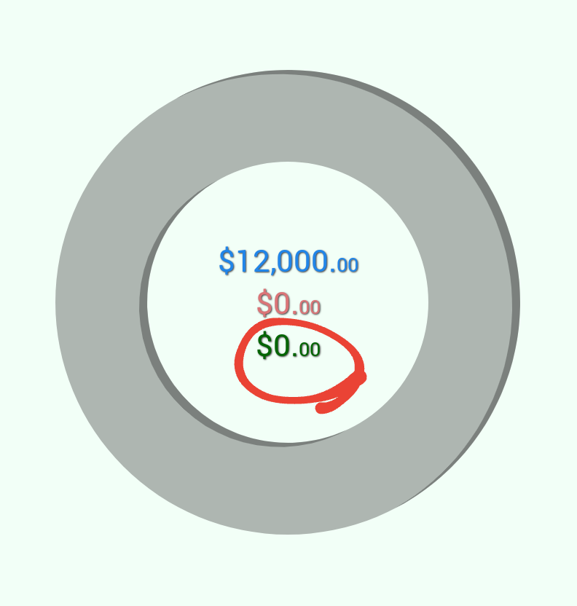 |  | Nokia 7 plus (Android 10) | Both | Moderate | 3rd
 | tranfre from an empty account

